_BSC_50U_LTResults_02142017_
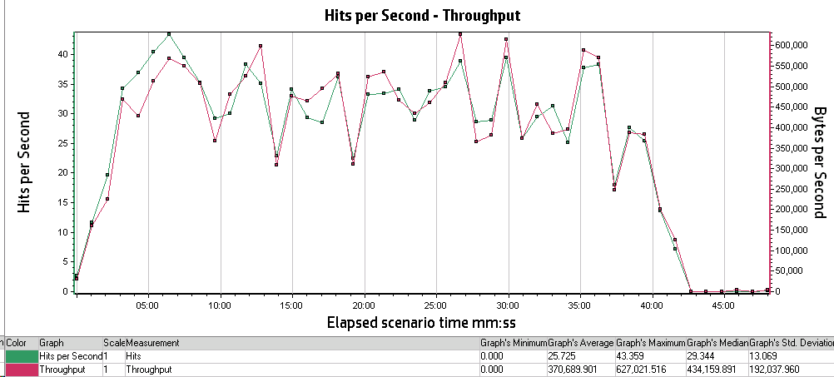
Analysis Summary | Period: 13/02/2017 1:14:49 PM EST - 13/02/2017 2:03:34 PM EST

Scenario Name: | Scenario1
Results in Session: | RESTRICTED_TALENT\RESTRICTED_TALENT
Duration: | 48 minutes and 45 seconds.

Statistics Summary
Maximum Running Vusers: | 50
Total Throughput (bytes): | 1,091,250,608
Average Throughput (bytes/second): | 372,950
Total Hits: | 75,732
Average Hits per Second: | 25.882
Total Errors: | 64

Transaction Summary
Transactions: | Total Passed: 2,676 |  | Total Failed: 40 |  | Total Stopped: 1

Transaction Name | Minimum | Average | Maximum | Std. Deviation | 90 Percent | Pass | Fail | Stop
TS01_GHRM_00_LaunchUrl | 0.772 | 0.986 | 2.319 | 0.284 | 1.129 | 39 | 0 | 0
TS01_GHRM_01_Login | 8.283 | 9.496 | 11.994 | 0.734 | 10.345 | 39 | 0 | 0
TS01_GHRM_02_ReturnToMobilityExchange | 14.601 | 16.283 | 18.443 | 0.769 | 17.548 | 39 | 0 | 0
TS01_GHRM_03_Logout | 2.429 | 2.973 | 4.916 | 0.387 | 3.397 | 39 | 0 | 0
TS01_ICS_00_LaunchUrl | 0.811 | 1.096 | 2.07 | 0.278 | 1.53 | 29 | 0 | 0
TS01_ICS_01_Login | 12.498 | 13.903 | 15.767 | 0.786 | 14.848 | 29 | 0 | 0
TS01_ICS_02_IndexTypeInternational | 0.612 | 0.639 | 0.662 | 0.012 | 0.661 | 29 | 0 | 0
TS01_ICS_03_SelectHostLocation | 0.656 | 0.687 | 0.717 | 0.017 | 0.716 | 29 | 0 | 0
TS01_ICS_04_IndexTypeStandard | 0.643 | 0.837 | 5.281 | 0.84 | 0.717 | 29 | 0 | 0
TS01_ICS_05_SelectBaseLocation | 0.548 | 0.571 | 0.619 | 0.017 | 0.604 | 29 | 0 | 0
TS01_ICS_06_ReturnToMobilityExchange | 4.873 | 5.617 | 6.742 | 0.429 | 6.358 | 27 | 2 | 0
TS01_ICS_07_ClientContinue | 6.241 | 6.944 | 7.801 | 0.5 | 7.631 | 27 | 0 | 0
TS01_ICS_08_Logout | 3.171 | 3.588 | 4.26 | 0.223 | 3.801 | 27 | 0 | 0
TS02_GHRM_00_LaunchURL | 0.518 | 0.747 | 1.831 | 0.281 | 1.111 | 56 | 0 | 0
TS02_GHRM_01_Login | 8.279 | 9.298 | 13.276 | 0.713 | 9.929 | 56 | 0 | 0
TS02_GHRM_02_RunANewCalculation | 8.284 | 10.596 | 13.404 | 1.006 | 11.779 | 56 | 0 | 0
TS02_GHRM_03_InputPageContinue | 5.593 | 7.463 | 12.143 | 1.075 | 8.567 | 56 | 0 | 0
TS02_GHRM_04_PreviewPageContinue | 4.362 | 5.19 | 6.384 | 0.45 | 5.733 | 56 | 0 | 0
TS02_GHRM_05_ClickOnPDF | 1.558 | 2.068 | 2.906 | 0.299 | 2.472 | 56 | 0 | 0
TS02_GHRM_06_ClickOnEXCEL | 1.457 | 1.853 | 2.561 | 0.239 | 2.159 | 56 | 0 | 0
TS02_GHRM_07_ReturnToMobilityExchange | 14.424 | 16.168 | 20.741 | 1.106 | 17.755 | 56 | 0 | 0
TS02_GHRM_08_Logout | 2.682 | 3.266 | 4.309 | 0.295 | 3.572 | 56 | 0 | 0
TS02_ICS_00_LaunchUrl | 0.792 | 0.996 | 1.328 | 0.181 | 1.271 | 27 | 10 | 0
TS02_ICS_01_Login | 12.177 | 13.488 | 15.242 | 0.859 | 14.803 | 27 | 0 | 0
TS02_ICS_02_RunANewCalculation | 8.585 | 10.409 | 13.549 | 1.232 | 12.049 | 27 | 0 | 0
TS02_ICS_03_InputPageContinue | 8.432 | 10.143 | 15.05 | 1.657 | 12.416 | 17 | 9 | 1
TS02_ICS_04_PreviewPageContinue | 4.043 | 4.955 | 5.653 | 0.479 | 5.543 | 17 | 0 | 0
TS02_ICS_05_PDFReport | 0.067 | 0.077 | 0.094 | 0.008 | 0.092 | 17 | 0 | 0
TS02_ICS_06_EXCELReport | 0.069 | 0.083 | 0.107 | 0.012 | 0.106 | 17 | 0 | 0
TS02_ICS_07_ReturnToMobilityExchange | 5.247 | 6.309 | 8.663 | 1.125 | 7.761 | 11 | 6 | 0
TS02_ICS_08_ClientContinue | 5.758 | 6.257 | 7.068 | 0.376 | 6.776 | 11 | 0 | 0
TS02_ICS_09_Logout | 2.05 | 3.516 | 3.988 | 0.666 | 3.905 | 11 | 0 | 0
TS03_GHRM_00_LaunchURL | 0.496 | 0.673 | 1.435 | 0.19 | 0.959 | 65 | 0 | 0
TS03_GHRM_01_Login | 8.166 | 9.108 | 12.456 | 0.62 | 9.751 | 65 | 0 | 0
TS03_GHRM_02_RunANewCalculation | 8.743 | 10.608 | 13.657 | 1.048 | 12.032 | 65 | 0 | 0
TS03_GHRM_03_InputPageContinue | 7.31 | 8.805 | 11.433 | 0.882 | 9.968 | 65 | 0 | 0
TS03_GHRM_04_PreviewPageContinue | 3.18 | 3.948 | 7.456 | 0.652 | 4.5 | 65 | 0 | 0
TS03_GHRM_05_ClickOnPDF | 1.455 | 1.894 | 2.604 | 0.263 | 2.311 | 65 | 0 | 0
TS03_GHRM_06_ClickOnEXCEL | 1.417 | 1.696 | 2.348 | 0.216 | 2.058 | 65 | 0 | 0
TS03_GHRM_07_ReturnToMobilityExchange | 14.127 | 15.509 | 17.375 | 0.811 | 16.596 | 65 | 0 | 0
TS03_GHRM_08_Logout | 2.534 | 3.022 | 3.708 | 0.247 | 3.315 | 65 | 0 | 0
TS03_ICS_00_LaunchUrl | 0.994 | 1.291 | 1.808 | 0.231 | 1.612 | 29 | 0 | 0
TS03_ICS_01_Login | 12.634 | 14.392 | 18.154 | 1.028 | 15.491 | 29 | 0 | 0
TS03_ICS_02_RunANewCalculation | 9.827 | 12.124 | 14.7 | 1.181 | 13.396 | 29 | 0 | 0
TS03_ICS_03_InputPageContinue | 10.02 | 12.874 | 17.989 | 2.2 | 16.147 | 29 | 0 | 0
TS03_ICS_04_PreviewPageContinue | 4.802 | 5.74 | 8.166 | 0.621 | 6.459 | 29 | 0 | 0
TS03_ICS_05_PDFReport | 0.079 | 0.096 | 0.17 | 0.016 | 0.108 | 29 | 0 | 0
TS03_ICS_06_ExcelReport | 0.078 | 0.092 | 0.121 | 0.009 | 0.103 | 26 | 0 | 0
TS03_ICS_07_ReturnToMobilityExchange | 5.133 | 5.696 | 7.111 | 0.551 | 6.731 | 25 | 1 | 0
TS03_ICS_08_ClientContinue | 6.552 | 7.208 | 9.54 | 0.673 | 7.79 | 25 | 0 | 0
TS03_ICS_09_Logout | 2.859 | 165.055 | 507.271 | 234.075 | 506.89 | 25 | 0 | 0
TS04_GHRM_00_LaunchURL | 0.363 | 0.63 | 1.651 | 0.222 | 0.892 | 65 | 0 | 0
TS04_GHRM_01_Login | 7.792 | 9.526 | 12.964 | 1.297 | 11.7 | 65 | 0 | 0
TS04_GHRM_02_RunANewCalculation | 8.095 | 10.311 | 14.17 | 1.097 | 11.167 | 53 | 0 | 0
TS04_GHRM_03_InputPageContinue | 5.505 | 7.032 | 8.538 | 0.714 | 8.16 | 49 | 0 | 0
TS04_GHRM_04_PreviewPageContinue | 4.163 | 4.856 | 5.491 | 0.442 | 5.312 | 49 | 0 | 0
TS04_GHRM_05_ClickOnPDF | 1.582 | 2.01 | 2.867 | 0.28 | 2.423 | 49 | 0 | 0
TS04_GHRM_06_ClickOnEXCEL | 1.428 | 1.771 | 2.308 | 0.18 | 2.026 | 49 | 0 | 0
TS04_GHRM_07_ReturnToMobilityExchange | 13.966 | 15.65 | 17.782 | 0.878 | 17.044 | 49 | 0 | 0
TS04_GHRM_08_Logout | 3.172 | 3.462 | 4.425 | 0.253 | 3.79 | 49 | 0 | 0
TS04_ICS_00_LaunchUrl | 1.075 | 1.387 | 2.195 | 0.471 | 2.13 | 28 | 6 | 0
TS04_ICS_01_Login | 13.072 | 14.254 | 18.752 | 1.112 | 15.427 | 28 | 0 | 0
TS04_ICS_02_RunANewCalculation | 9.437 | 11.556 | 15.111 | 1.285 | 13.443 | 28 | 0 | 0
TS04_ICS_03_InputPageContinue | 11.335 | 15.405 | 26.178 | 2.986 | 18.44 | 28 | 0 | 0
TS04_ICS_04_PreviewPageContinue | 4.863 | 6.21 | 8.06 | 0.725 | 7.361 | 28 | 0 | 0
TS04_ICS_05_ClickOnPDF | 0.083 | 0.093 | 0.108 | 0.006 | 0.104 | 28 | 0 | 0
TS04_ICS_06_ClickOnEXCEL | 0.083 | 0.092 | 0.132 | 0.01 | 0.1 | 23 | 0 | 0
TS04_ICS_07_ReturnToMobilityExchange | 5.192 | 5.981 | 7.074 | 0.407 | 6.457 | 17 | 6 | 0
TS04_ICS_08_ClientContinue | 6.545 | 7.147 | 7.639 | 0.35 | 7.596 | 17 | 0 | 0
TS04_ICS_09_Logout | 3.499 | 3.871 | 4.476 | 0.254 | 4.279 | 17 | 0 | 0

HTTP Responses Summary
HTTP Responses | Total | Per second
HTTP_200 | 70,769 | 24.186
HTTP_206 | 5 | 0.002
HTTP_301 | 627 | 0.214
HTTP_302 | 2,609 | 0.892
HTTP_304 | 12 | 0.004
HTTP_404 | 1,703 | 0.582

Running Vusers vs Average Transaction Response Time

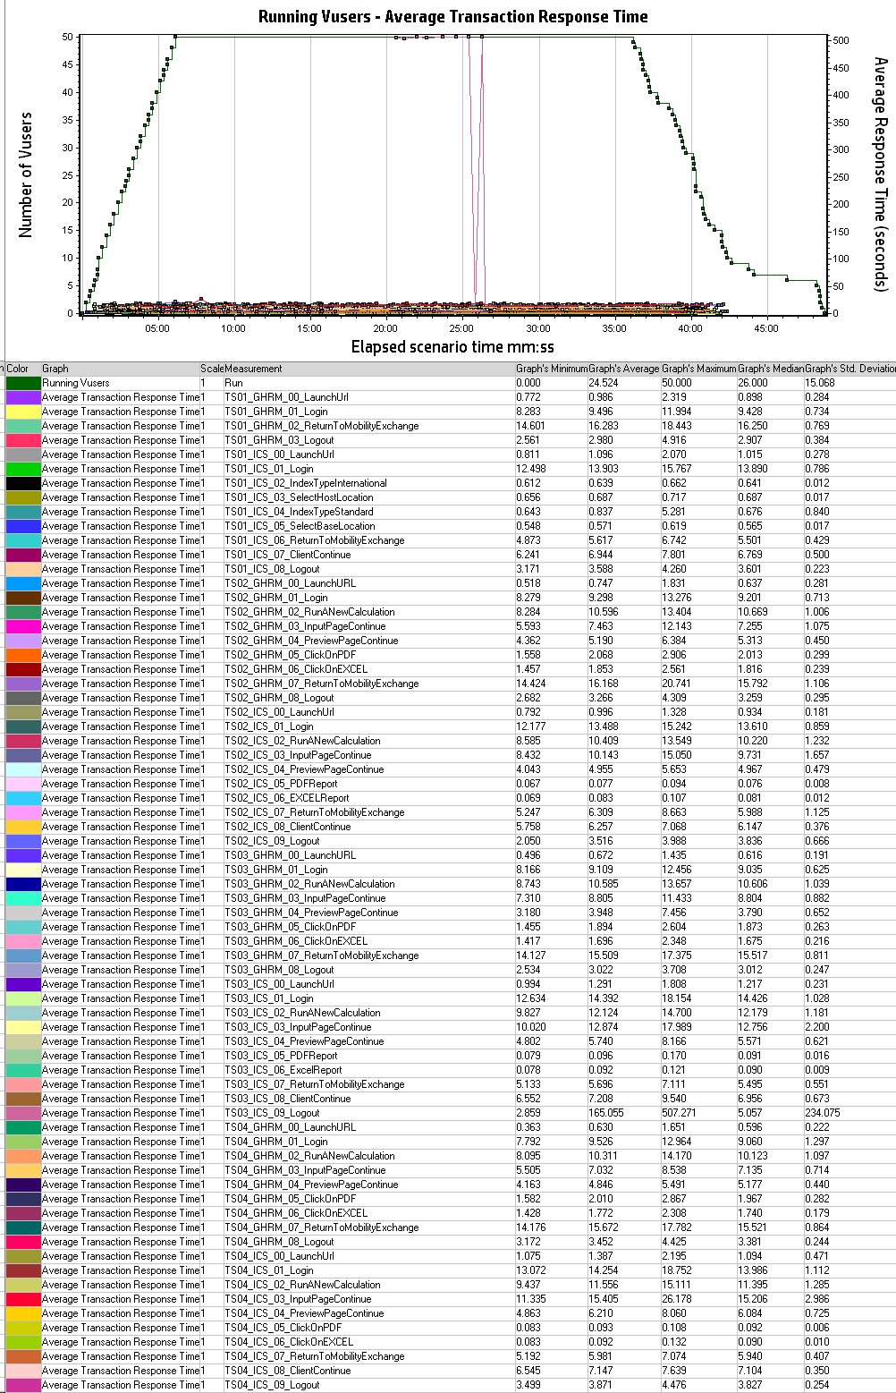

Hits per second vs Throughput

